Phresco
Phresco Application - Phresco Framework

 | Project Name: |  | Phresco |  | Tested By
 | Project ID: |  | PHTN_PH_21000 |  | Testing Period
 | Module: |  |  |  | Test Date | 2011-12-13
 | Sub Module:
 | Version No. |  | Draft

 | TEST CYCLE :
 | Test Cases Prepared By: |  | A.Nikhilkumar,saravanakumar

 | Feature ID | Requirement ID | Test Case ID | Test Case Description | Test Steps | Test Case Type | Test Input / Test Data | Expected Results | Actual Results | Status | Priority | Severity | Bug ID/Comments
 |  |  |  | Create Project
 | Login | User story 1 | TC_MV_01 | Check whether "administrator Phresco" able to view Login page | 1. Open a web browser. 2.Type the URL:localhost:2468/phresco/ in the address bar. 3.User needss to enter username. 4.User needss to enter password. 5.User needss to click Login button. | Framework |  | "Administrator Phresco" should be able to land in "welcome page"
 | Welcome Page - [Widgets ],[ web master],[ Go to phresco home] | User Story 2 | TC_MV_02 | Check whether "administrator Phresco" able to view welcome page - [Widgets ],[ web master],[ Go to phresco home] | 1.Open a web browser. 2.Type the URL:localhost:2468/phresco/ in the address bar. 3.User needss to enter username. 4.User needss to enter password. 5.User needss to click Login. 6.User lands on welcome page. 7.User can view " Applications ", "Settings","Forum" in widgets. 8.User needss to click " Applications " in order to land in application page. 9.User needss to click "Settings" in order to land in settings page. 10.User needss to click "Forum" in order to land in forum page. 11. User needss to click "Go to phresco home" in order to land in homepage. 12. User needs to click " webmaster@photon.in" in order to give feedback. | Framework | 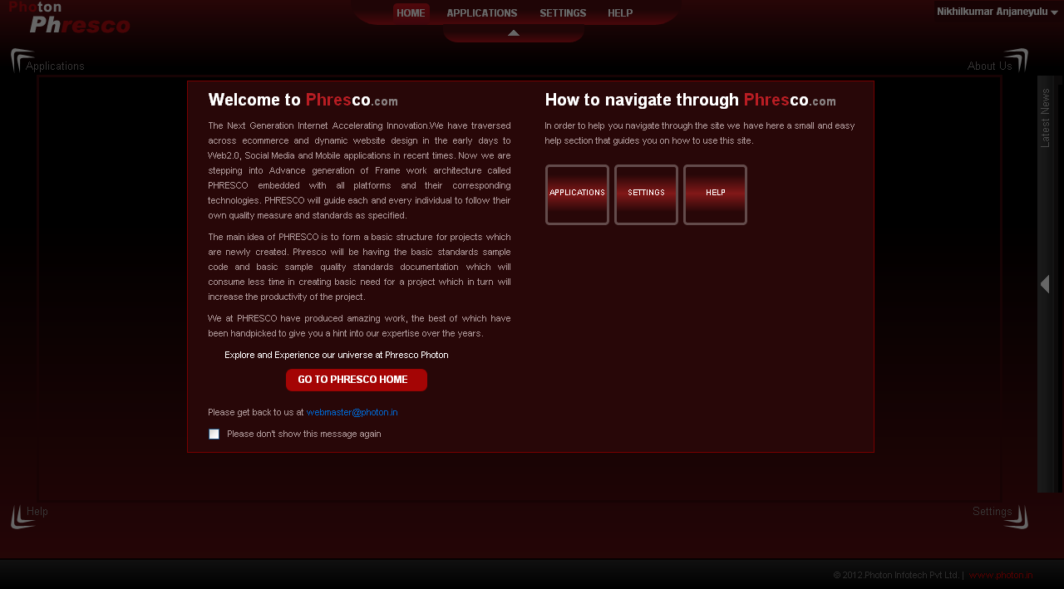 | "Administrator Phresco" should be able to view " corresponding page based user clicks"
 | Home page | User Story 3 | TC_MV_03 | Check whether "administrator Phresco" able to view Home page | 1. Open a web browser 2. Type the URL: localhost:2468/phresco/ in the address bar. 3. User lands in login page. 4. User needss to provide Login credentials. 5. User lands on welcome page upon providing valid login credentials. 6. User needss to click on " Go to phresco home" 7. User can able to view video upon clicking play button. | Framework | 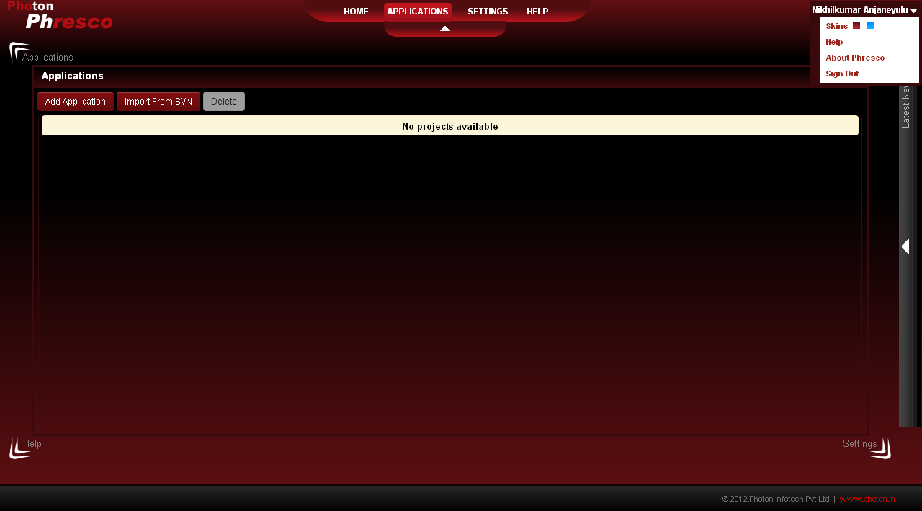 | "Administrator Phresco" should be able to view "Home Page"
 | Application | User Story 4 | TC_MV_04 | Check whether "administrator Phresco" able to view Application page. | 1. Open a web browser 2. Type the URL: localhost:2468/phresco/ in the address bar. 3. User lands on login page. 4. User needss to provide Login credentials. 5. User lands on welcome page upon providing valid login credentials. 6. User needss to click on " Go to phresco home" 7. User needss to click "Application" tab from quick links. 8. User lands on Application page. |  | 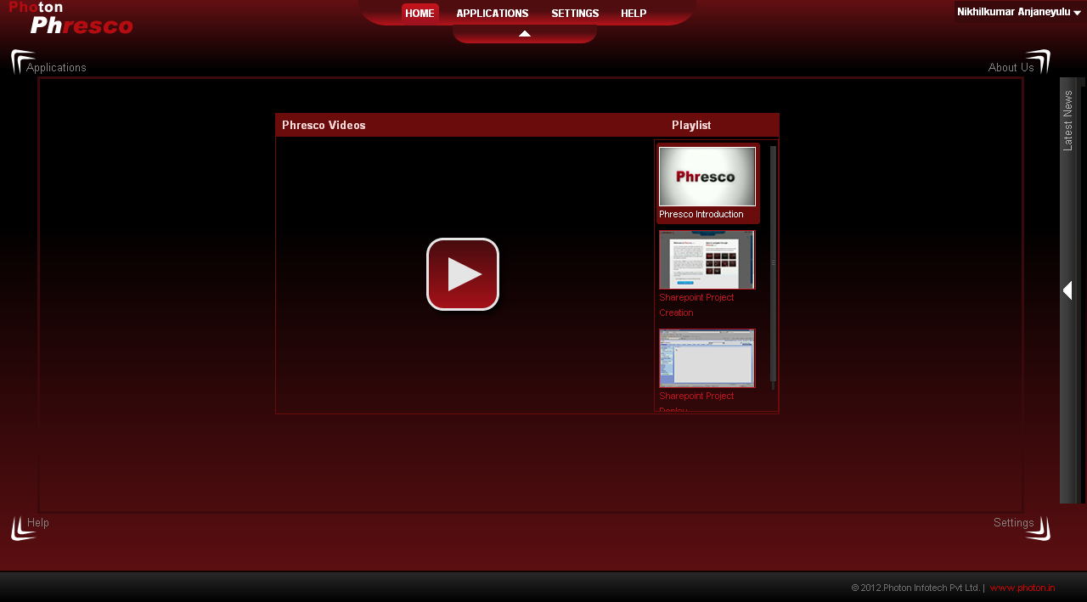 | "Administrator Phresco" should be able to view "Add Application", Discover", Import from SVN", Delete [ unselected mode]
 | Add Application [ Next ] | User Story 5 | TC_MV_05 | Check whether "administrator phresco" able to add new application - Next | 1. Open a web browser 2. Type the URL: localhost:2468/phresco/ in the address bar. 3. Click on the Go to Phresco home button. 4. Click on the "Application tab" and click on "Add application" 5. Enter Name, Code, Description in "App Info" page 6.Select Web Application 6.i.Technology:select Node JS Web Service 7.Enter Platform : 8.Application Server: 9.Database: 10.Editor: 11.JS-Libraries: 12.Click on the next button. | Framework |  | "Administrator Phresco" should be able to view "features page"
 | Add Application [Cancel] | User Story 6 | TC_MV_06 | Check whether "administrator phresco" able to add new application - Cancel | 1. Open a web browser 2. Type the URL: localhost:2468/phresco/ in the address bar. 3. Click on the Go to Phresco home button. 4. Click on the "Application tab" and click on "Add application" 5. Enter Name, Code, Description in "App Info" page 6.Select Web Application 6.i.Technology:select Node JS Web Service 7.Enter Platform: 8.Application Server: 9.Database: 10.Editor: 11.JS-Libraries: 12.Click on the cancel button. | Framework | 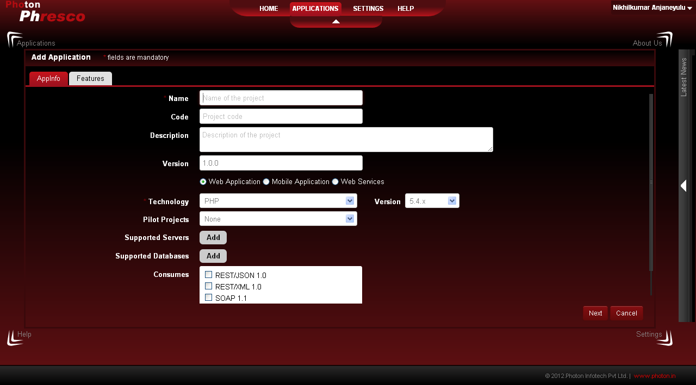 | "Administrator Phresco" should be able to view "Application page"
 | Features Page [Finish] | User Story 7 | TC_MV_07 | Check whether "administrator phresco" able to click "Finish button" upon selecting features in feature page. | 1. Open a web browser 2. Type the URL: localhost:2468/phresco/ in the address bar. 3. Click on the Go to Phresco home button. 4. Click on the "Application tab" and click on "Add application" 5. Enter Name, Code, Description in "App Info" page 6.Select Web Application 6.i.Technology:select Node JS Web Service 7.Enter Platform: 8.Application Server: 9.Database: 10.Editor: 11.JS-Libraries: 12.Click on the next button. 13.Upon clicking next button the features page should be available 14.Select a module/modules. 15.Click finish. | Framework | 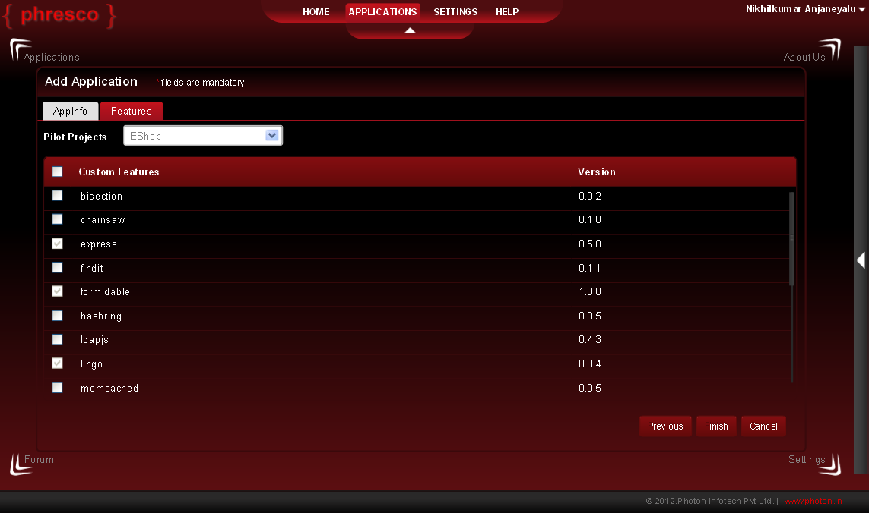 | "Administrator Phresco" click finish button upon clicking new project gets created in application page with selected modules.
 | Features Page [Previous] | User Story 8 | TC_MV_08 | Check whether "administrator phresco" able to click "Previous button" | 1. Open a web browser 2. Type the URL: localhost:2468/phresco/ in the address bar. 3. Click on the Go to Phresco home button. 4. Click on the "Application tab" and click on "Add application" 5. Enter Name,Description in "App Info" page 6.Select Web Application 6.i.Technology:select Node JS Web Service 7.Enter Platform: 8.Application Server: 9.Database: 10.Editor: 11.JS-Libraries: 12.Click on the next button. 13.Upon clicking next button the features page should be available 14.Select a module/modules. 15.Click previous button in features page | Framework |  | "Administrator Phresco" Upon clicking previous button "App info page" shoulde be available
 | Features [Cancel] | User Story 9 | TC_MV_09 | Check whether "administrator phresco" able to click "Cancel button" | 1. Open a web browser 2. Type the URL: localhost:2468/phresco/ in the address bar. 3. Click on the Go to Phresco home button. 4. Click on the "Application tab" and click on "Add application" 5. Enter Name,Description in "App Info" page 6.Select Web Application 6.i.Technology:select Node JS Web Service 7.Enter Platform: 8.Application Server: 9.Database: 10.Editor: 11.JS-Libraries: 12.Click on the next button. 13.Upon clicking next button the features page should be available 14.Select a module/modules. 15.Click Cancel button in features page | Framework | 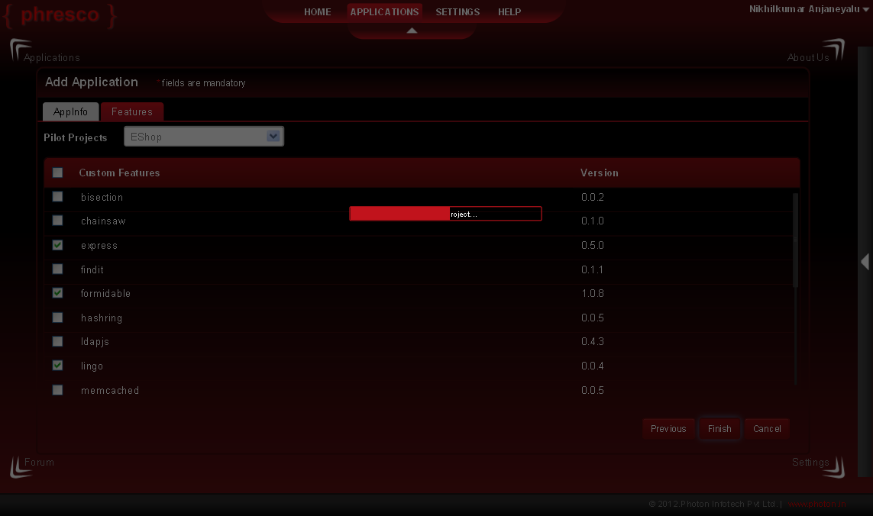 | "Administrator Phresco" Upon clicking Cancel button "Application Page" shoulde be available
 | Import from SVN - [ok] | User Story 11 | TC_MV_11 | Check whether "administrator phresco" able to view "Import from SVN" [ ok] | 1. Open a web browser. 2. Type the URL: localhost:2468/phresco/ in the address bar. 3. Click on the Go to Phresco home button. 4. Click on the Application tab. 5. Click on Import from SVN. Upon clicking repository pop up appears. 6. User needss to enter repository URL. 7. User needss to enter username. 8. User needss to enter password. 9. User needss to select Head revision [radio button], revision [ Text box] 10. User needss to click ok. | Framework | 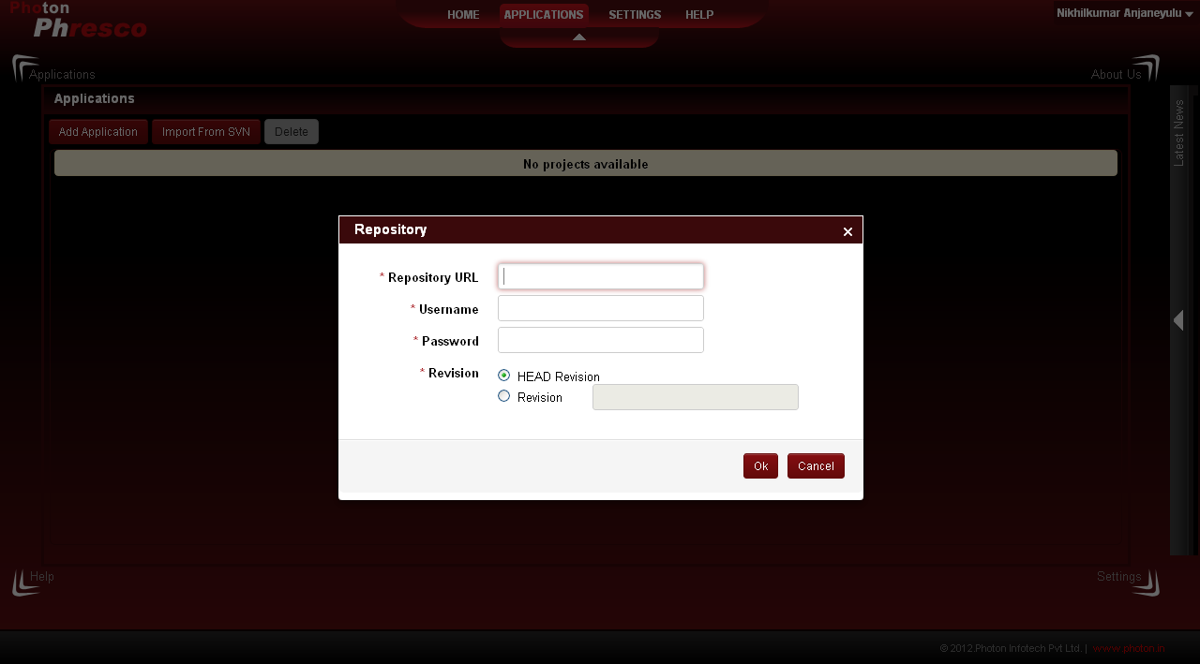 | "Administrator Phresco" Upon clicking ok button" User can able to import project from SVN.
 | Import from SVN - [Cancel] | User Story 12 | TC_MV_12 | Check whether "administrator phresco" able to view "Import from SVN" [Cancel] | 1. Open a web browser. 2. Type the URL: localhost:2468/phresco/ in the address bar. 3. Click on the Go to Phresco home button. 4. Click on the Application tab. 5. Click on Import from SVN. Upon clicking repository pop up gets appear. 6. User needs to enter repository URL. 7. User needs to enter username. 8. User needs to password. 9. User needs to select Head revision [radio button], revision [ Text box] 10.User can click cancel inorder to cancel the import. | Framework |  | "Administrator Phresco" Upon clicking Cancel button" User can able to view application page
 | Application - Delete | User Story 13 | TC_MV_13 | Check whether "administrator phresco" able to Delete Application | 1. Open a web browser. 2. Type the URL: localhost:2468/phresco/ in the address bar. 3. Click on the Go to Phresco home button. 4. Click on the Application tab. 5. User can find " Add application","Discover","Import from SVN", "Delete" tabs 6. In order to delete any application user needss to check the check box against the desired application. 7. In turn delete button gets enabled. 8. User can delete the application upon clicking delete. | 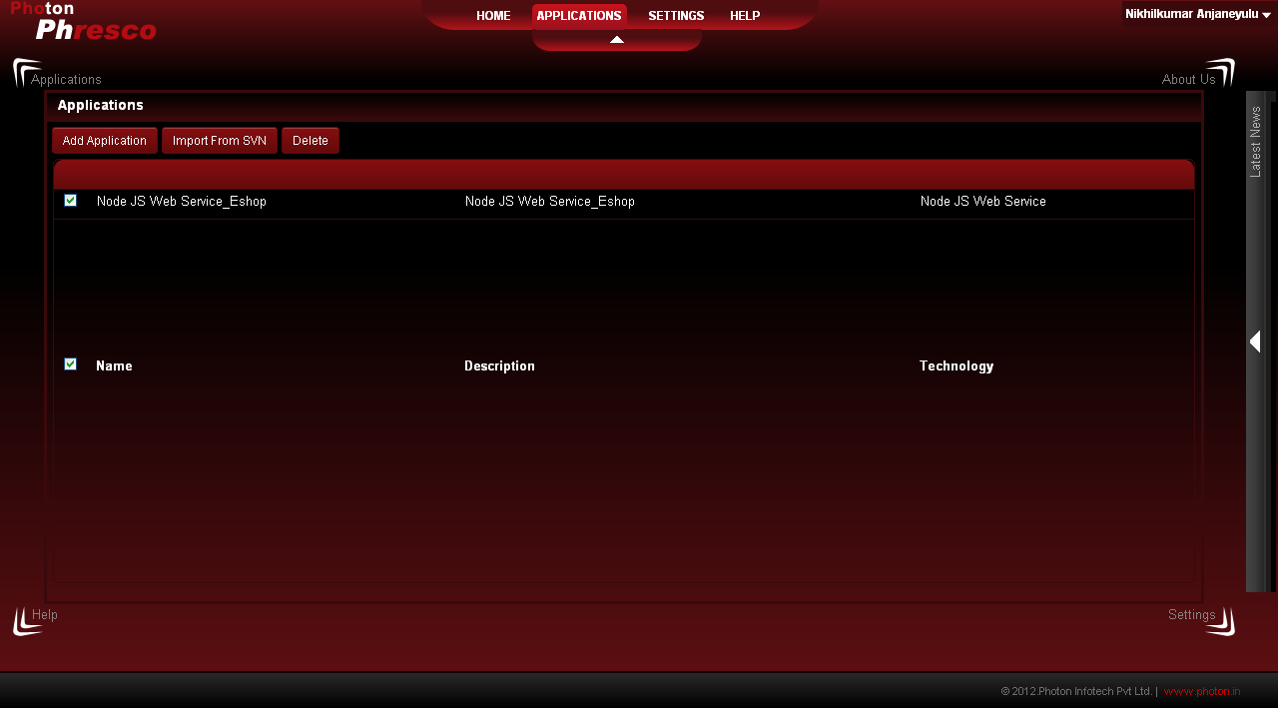 Framework |  | "Administrator Phresco" Upon clicking Delete button" user can able to view pop up box stating " Do you want to delete the selected objects" with Ok and cancel button.
 | Application - Delete [ok] | User Story 14 | TC_MV_14 | Check whether "administrator phresco" able to Delete Application [ok] | 1. Open a web browser. 2. Type the URL: localhost:2468/phresco/ in the address bar. 3. Click on the Go to Phresco home button. 4. Click on the Application tab. 5. User can find "Add application", "Discover","Import from SVN", "Delete" 6. In order to delete any application user needss to check the check box against the desired application. 7. In turn delete button gets enabled. 8. User can delete the application upon clicking delete. 9. User needss to click ok button in the confirmation pop up. | Framework |  | "Administrator Phresco" Upon clicking Delete button" user can able to view pop up box stating " Do you want to delete the selected objects" with Ok and cancel button. User needs to click ok button upon clicking application gets deleted from application page.
 | Application - Delete [Cancel] | User Story 15 | TC_MV_15 | Check whether "administrator phresco" able to Delete Application [Cancel] | 1. Open a web browser. 2. Type the URL: localhost:2468/phresco/ in the address bar. 3. Click on the "Go to Phresco home" button. 4. Click on the Application tab. 5. User can find "Add application","Discover",Import from SVN", "Delete". 6. In order to delete any application user needs to check the check box against the desired application. 7. In turn delete button gets enabled. 8. User can delete the application upon clicking delete. 9. User needs to click cancel button in the confirmation pop up if he desires to cancel the operation | Framework | 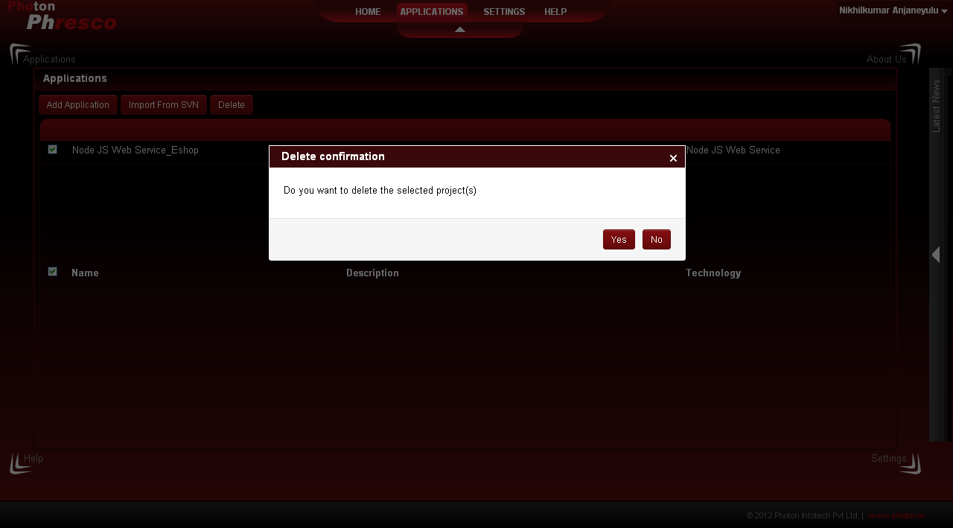 | "Administrator Phresco" Upon clicking Delete button" user can able to view pop up box stating " Do you want to delete the selected objects" with Ok and cancel button. User needs to click cancel button upon clicking selected Application wont get vanished from Application.
 | Edit Application - [App info - cancel ] | User Story 16 | TC_MV_16 | Check whether "administrator phresco" able to Edit application [Edit Application] | 1. Open a web browser. 2. Type the URL: localhost:2468/phresco/ in the address bar. 3. Click on the Go to Phresco home button. 4. Click on the Application tab. 5. Click on the project that needss to be edited. 6.User should be able to view created project details in Edit Application page 7.User should be able to view name,code,description,Type:apptype-webapp, Technology: Node JS Web Service Framework: Platform: Application Server: Database: Editor: JS-Libraries: in Edit Application page 8. Click cancel to return to Applications without saving the changes | Framework | 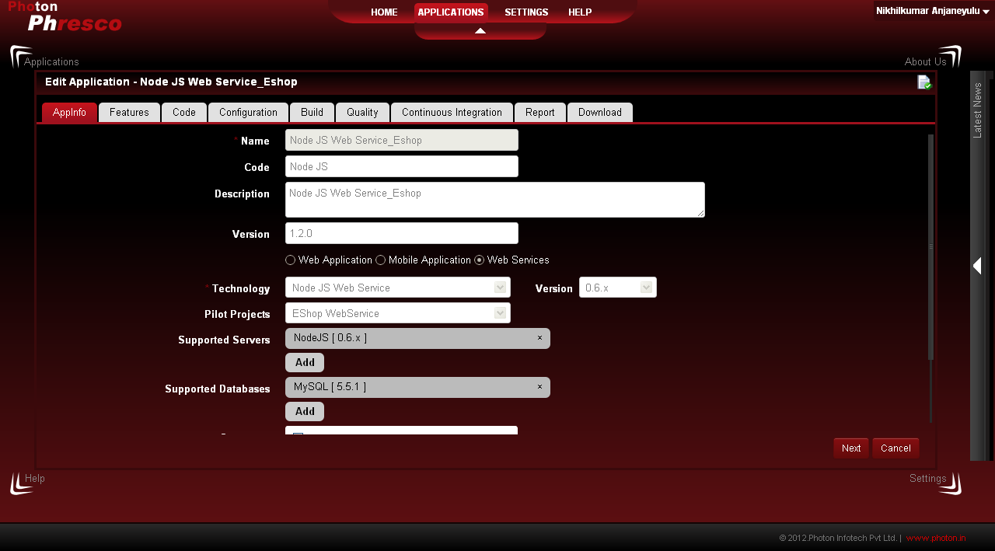 | "Administrator Phresco" Upon clicking Cancel button "Application Page" shoulde be available
 | Edit Application - [Feature - update ] | User Story 17 | TC_MV_17 | Check whether "administrator phresco" able to Edit application "Features update" | 1. Open a web browser. 2. Type the URL: localhost:2468/phresco/ in the address bar. 3. Click on the "Go to Phresco home" button. 4. Click on the Application tab. 5. Click on the project that needss to be edited. 6. User should be able to view created project details in Edit Application page 7.User should be able to view name,code,description,Type:apptype-webapp, Technology:Node JS Web Service Framework: Platform: Application Server: Database: Editor: JS-Libraries: in Edit Application page 8 User should be able to click on features tab. 9.User should be able to view the features. 10.User can add or remove the features upon clicking the check box. 11.User needss to click Update to save the modifications | Framework | 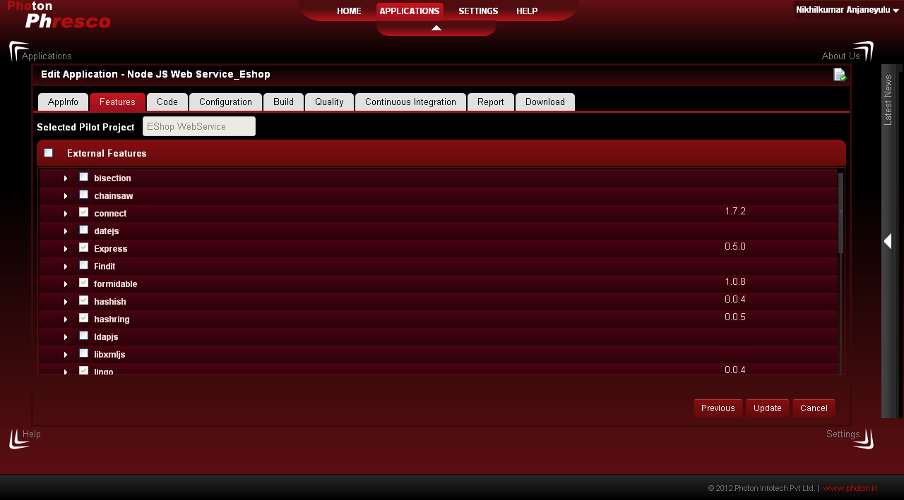 | "Administrator Phresco" Upon clicking save button "Application Page" shoulde be available. Edited features gets updated in the corresponding project
 | Edit Application - [Feature -Cancel ] | User Story 18 | TC_MV_18 | Check whether "administrator phresco" able to Edit application "Features cancel" | 1. Open a web browser. 2. Type the URL: localhost:2468/phresco/ in the address bar. 3. Click on the Go to Phresco home button. 4. Click on the Application tab. 5. Click on the project that needss to be edited. 6.User should be able to view created project details in Edit Application page 7.User should be able to view name,code,description,Type:apptype-webapp, Technology: Node JS Web Service Framework: Platform: Application Server: Database: Editor: JS-Libraries: in Edit Application page 8 User should be able to click on features tab. 9.User should be able to view the features. 10.User can add or remove the features upon clicking the check box. 11.User can to click cancel if he wants to cancel the operation | Framework |  | "Administrator Phresco" Upon clicking Cancel button "Application Page" shoulde be avaliable.Exsisting features should remains the same.
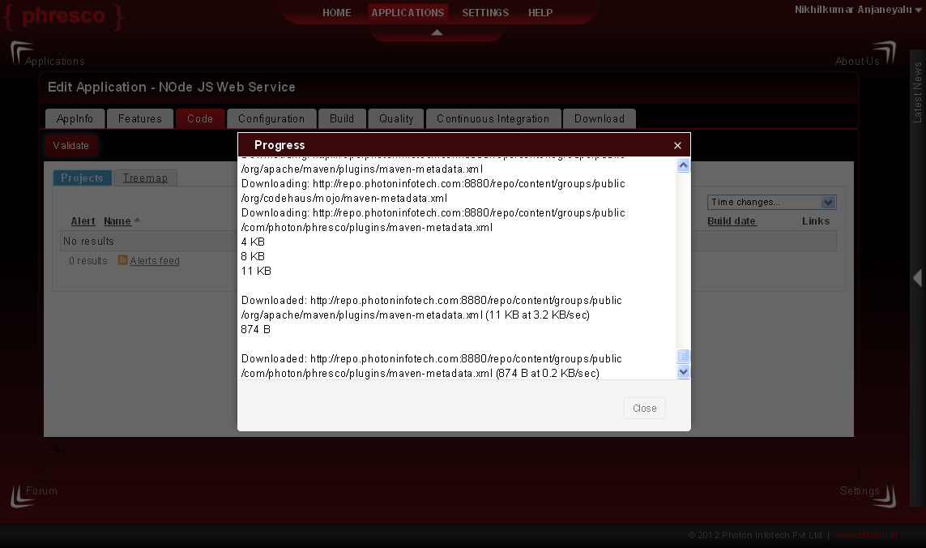
 | Edit Application - [Code ] | User Story 19 | TC_MV_19 | Check whether "administrator phresco" able to Edit application "Code" | 1. Open a web browser. 2. Type the URL: localhost:2468/phresco/ in the address bar. 3. Click on the "Go to Phresco home" button. 4. Click on the Application tab. 5. Click on the project that needss to be edited. 6 Click on code tab. | Framework |  | "Administrator Phresco" Upon clicking Code tab "Code Page" should appear with validate button.
 | Edit Application - [Code - Validate ] | User Story 20 | TC_MV_20 | Check whether "administrator phresco" able to Edit application "Code validate" | 1. Open a web browser. 2. Type the URL: localhost:2468/phresco/ in the address bar. 3. Click on the "Go to Phresco home" button. 4. Click on the Application tab. 5. Click on the project that needss to be edited. 6 Click on code tab. 7. Click on validate button. | Framework |  | "Administrator Phresco" Upon clicking Validate button" Progress Pop up " box should appear in the same screen.
 | Edit Application - [Code validate close ] | User Story 21 | TC_MV_21 | Check whether "administrator phresco" able to Edit application "Code validate close" | 1. Open a web browser. 2. Type the URL: localhost:2468/phresco/ in the address bar. 3. Click on the Go to Phresco home button. 4. Click on the Application tab. 5. Click on the project that needs to be edited. 6 Click on code tab. 7. Click on validate button. 8. Click on close button upon validation gets over. | Framework |  | "Administrator Phresco" Upon clicking close button" code page appears.
 | Edit Application -[Configuration] | User Story 22 | TC_MV_22 | Check whether "administrator phresco" able to Edit application "Configuration" | 1. Open a web browser. 2. Type the URL: localhost:2468/phresco/ in the address bar. 3. Click on the Go to Phresco home button. 4. Click on the Application tab. 5. Click on the project that needs to be edited. 6 Click on configuration. 7.User can click on "Add" button if he desires to add project specific configurations | Framework | 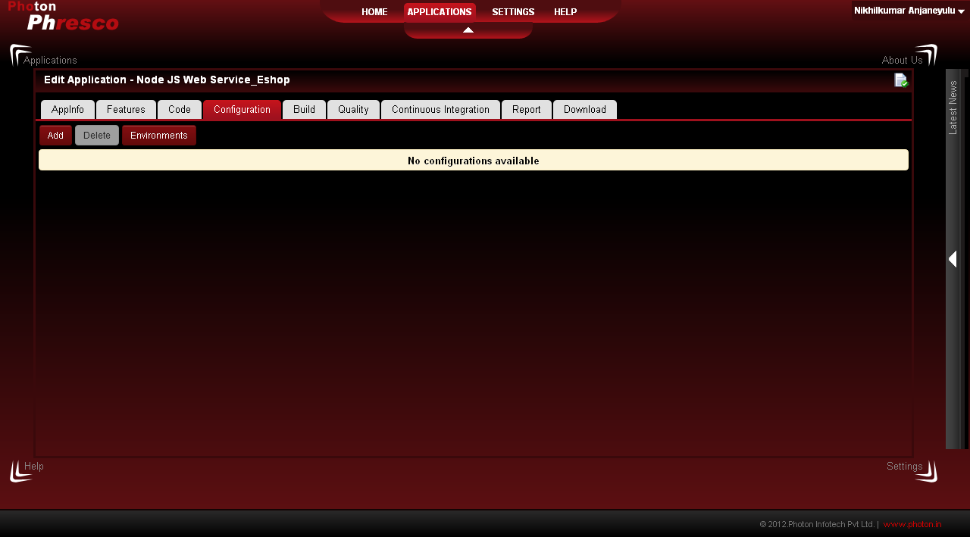 | "Administrator Phresco" Upon clicking configuration tab" configuration page appears with Add and Delete.
 | Edit Application - Add Configuration [Server] [Save] | User Story 23 | TC_MV_23 | Check whether "administrator phresco" able to Edit application "Add Configuration" [Server] and [Save] | 1. Open a web browser. 2. Type the URL: localhost:2468/phresco/ in the address bar. 3. Click on the Go to Phresco home button. 4. Click on the Application tab. 5. Click on the project that needs to be edited. 6 Click on configuration. 7 Click on Add button. 8 Enter Name of the configuration. 9 Enter Description of the configuration. 10 Select type:Server. 11 Select Protocol [ http or https]. 12 Enter Host. 13 Enter Port. 14 Enter Admin username. 15 Enter Admin password. 16 Enter Deploy directory. 17 Click Save. | Framework | 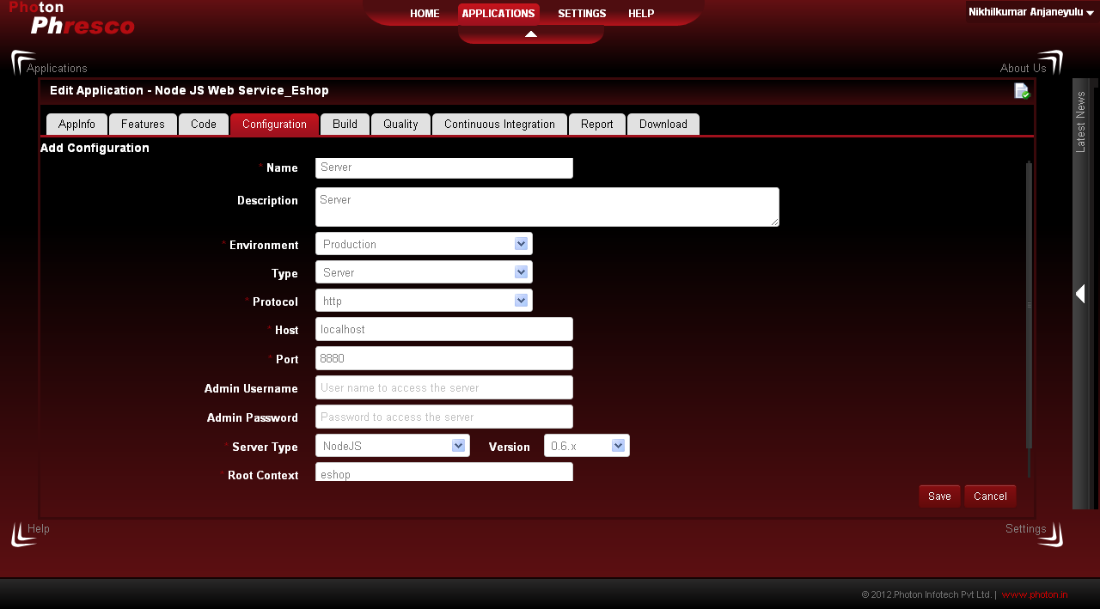 | "Administrator Phresco" Upon clicking save button" server configuration gets displayed in configuration page with pop up message staying " xyz configuration server created successfully"
 | Edit Application - Add Configuration [Server] [Cancel] | User Story 24 | TC_MV_24 | Check whether "administrator phresco" able to Edit application "Add Configuration" [Server] and [Cancel] | 1. Open a web browser. 2. Type the URL: localhost:2468/phresco/ in the address bar. 3. Click on the Go to Phresco home button. 4. Click on the Application tab. 5. Click on the project that needs to be edited. 6 Click on configuration. 7 Click on Add button. 8 Enter Name of the configuration. 9 Enter Description of the configuration. 10 Select type as server. 11 Select Protocol [ http or https]. 12 Enter Host. 13 Enter Port. 14 Enter Admin username. 15 Enter Admin password. 16 Enter Deploy directory. 17 User can either click save or cancel. Lets assume user clicks cancel. | Framework |  | "Administrator Phresco" Upon clicking cancel button" configuration pages gets displayed
 | Edit Application - Add Configuration [Database] [Save] | User Story 25 | TC_MV_25 | Check whether "administrator phresco" able to Edit application "Add Configuration" [Database] and [Save] | 1. Open a web browser. 2. Type the URL: localhost:2468/phresco/ in the address bar. 3. Click on the Go to Phresco home button. 4. Click on the Application tab. 5. Click on the project that needs to be edited. 6 Click on configuration. 7 Click on Add button. 8 Enter Name of the configuration. 9 Enter Description of the configuration. 10 Select type as Database. 11 Select Protocol [ http or https]. 12 Enter Host. 13 Enter Port. 14 Enter username. 15 Enter password. 16 Enter Database name. 17 Select type 17 Click Save. | Framework | 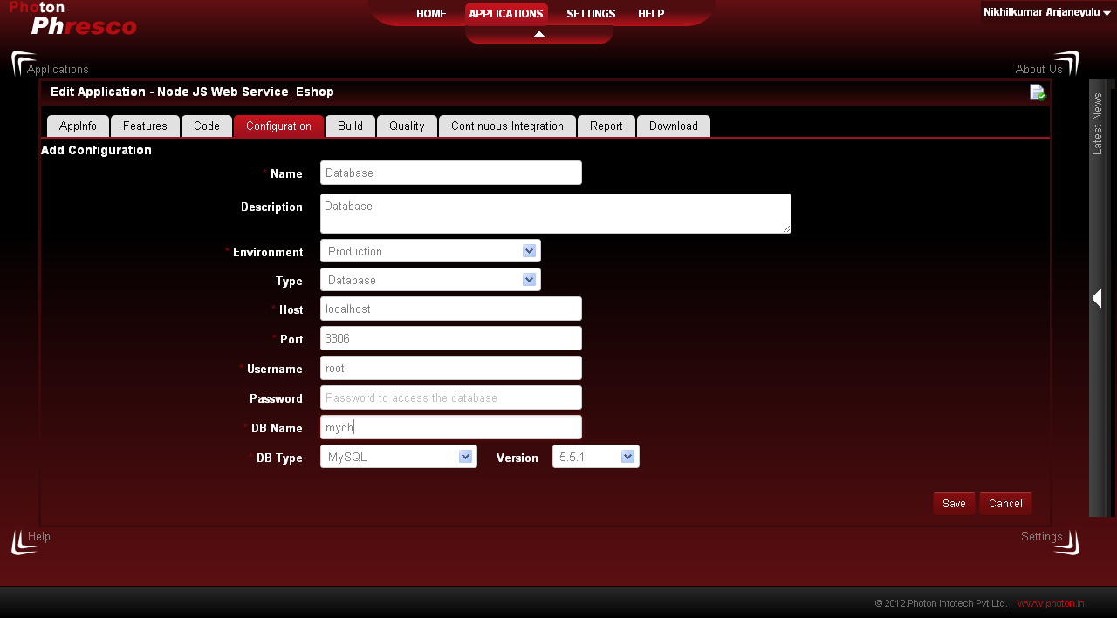 | "Administrator Phresco" Upon clicking save button" configuration pages gets displayed with pop up message staying " xyz configuration Database created successfully"
 | Edit Application - Add Configuration [Database] [Cancel] | User Story 26 | TC_MV_26 | Check whether "administrator phresco" able to Edit application "Add Configuration" [Database] and [Cancel] | 1. Open a web browser. 2. Type the URL: localhost:2468/phresco/ in the address bar. 3. Click on the Go to Phresco home button. 4. Click on the Application tab. 5. Click on the project that needs to be edited. 6 Click on configuration. 7 Click on Add button. 8 Enter Name of the configuration. 9 Enter Description of the configuration. 10 Select type as Database. 11 Enter Host. 12 Enter Port. 13 Enter username. 14 Enter password. 15 Enter database. 16 Select Type. 17 User can either click save or cancel. Lets assume user clicks cancel. | Framework |  | "Administrator Phresco" Upon clicking cancel button" configuration pages gets displayed
 | Edit Application - Add Configuration [Email] [Save] | User Story 27 | TC_MV_27 | Check whether "administrator phresco" to Edit application "Add Configuration" [Email] and [Save] | 1. Open a web browser. 2. Type the URL: localhost:2468/phresco/ in the address bar. 3. Click on the Go to Phresco home button. 4. Click on the Application tab. 5. Click on the project that needs to be edited. 6 Click on configuration. 7 Click on Add button. 8 Enter Name of the configuration. 9 Enter Description of the configuration. 10 Select type as Email 11 Enter Host. 12 Enter Port. 13 Enter username. 14 Enter password. 15 Click Save. | Framework |  | "Administrator Phresco"Upon clicking save button" configuration pages gets displayed with pop up message staying " xyz configuration Email created successfully"
 | Edit Application - Add Configuration [Email] [Cancel] | User Story 28 | TC_MV_28 | Check whether "administrator phresco" able to Edit application "Add Configuration" [Email] and [Cancel] | 1. Open a web browser. 2. Type the URL: localhost:2468/phresco/ in the address bar. 3. Click on the Go to Phresco home button. 4. Click on the Application tab. 5. Click on the project that needs to be edited. 6 Click on configuration. 7 Click on Add button. 8 Enter Name of the configuration. 9 Enter Description of the configuration. 10 Select type as Email. 11 Enter Host. 12 Enter Port. 13 Enter username. 14 Enter password. 15 User can either click save or cancel. Lets assume user clicks cancel. | Framework | 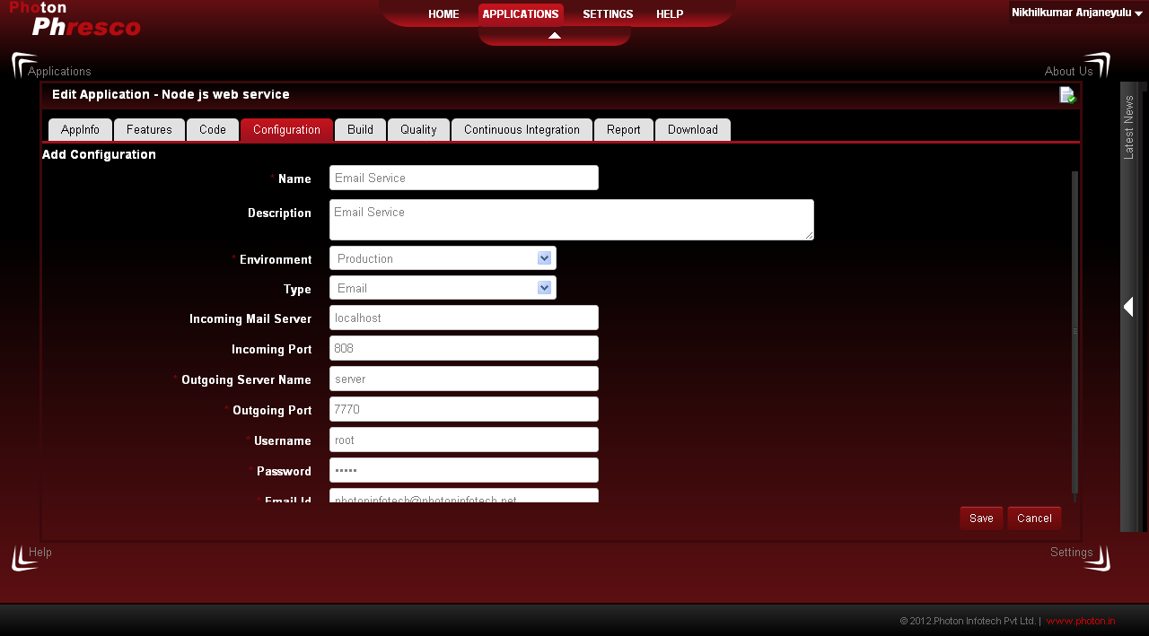 | "Administrator Phresco" Upon clicking cancel button" configuration pages gets displayed
 | Edit Application - Add Configuration [Web services] [Save] | User Story 29 | TC_MV_29 | Check whether "administrator phresco" able to Edit application "Add Configuration" [Web service] and [Save] | 1. Open a web browser. 2. Type the URL: localhost:2468/phresco/ in the address bar. 3. Click on the Go to Phresco home button. 4. Click on the Application tab. 5. Click on the project that needs to be edited. 6 Click on configuration. 7 Click on Add button. 8 Enter Name of the configuration. 9 Enter Description of the configuration. 10 Select type as Web service. 11.Select Protocol. 11 Enter Host. 12 Enter Port. 13 Enter username. 14 Enter password. 15 Enter Context. 16 Click Save. | Framework | 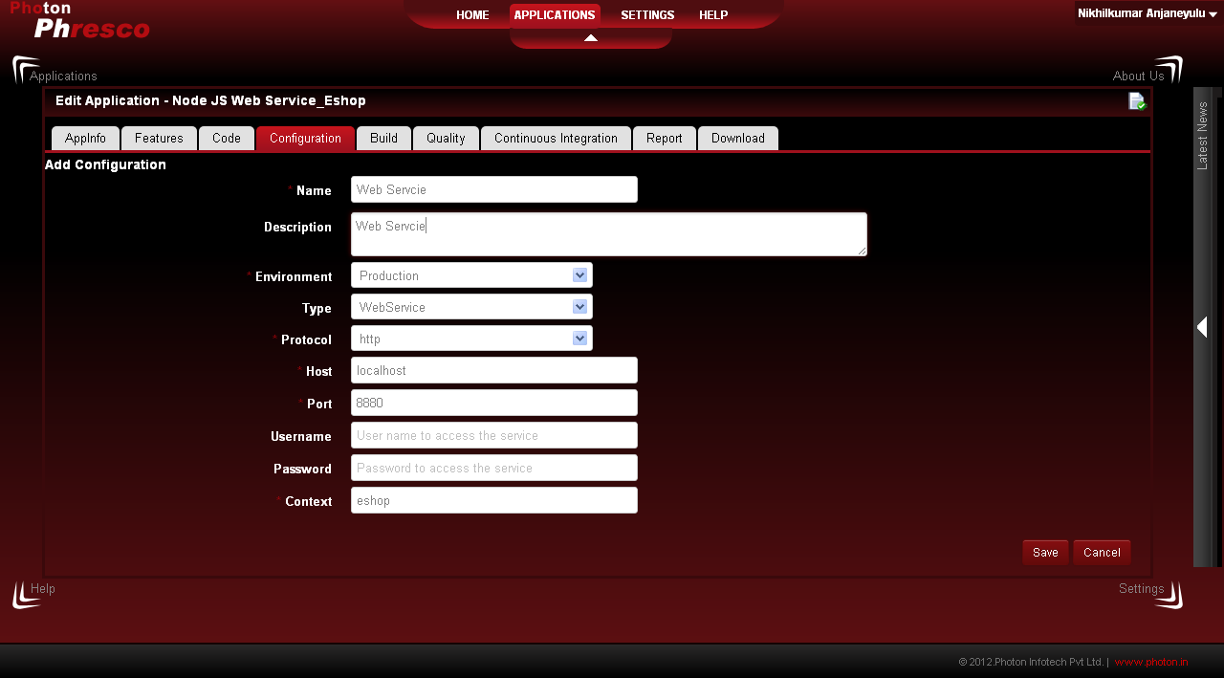 | "Administrator Phresco"Upon clicking save button" configuration pages gets displayed with pop up message staying " xyz configuration web services created successfully"
 | Edit Application - Add Configuration [Web services] [Cancel] | User Story 30 | TC_MV_30 | Check whether "administrator phresco" able to Edit application "Add Configuration" [Web services] and [Cancel] | 1. Open a web browser. 2. Type the URL: localhost:2468/phresco/ in the address bar. 3. Click on the Go to Phresco home button. 4. Click on the Application tab. 5. Click on the project that needss to be edited. 6 Click on configuration. 7 Click on Add button. 8 Enter Name of the configuration. 9 Enter Description of the configuration. 10 Select type as Web service. 11 Enter Protocol. 12 Enter Host. 13 Enter Port. 14 Enter username. 15 Enter password. 16 Enter Context. 15 User can either click save or cancel. Lets assume user clicks cancel. | Framework |  | "Administrator Phresco" Upon clicking cancel button" configuration pages gets displayed
 | Edit Application - Build | User Story 31 | TC_MV_31 | Check whether "administrator phresco" able to Edit application " Build " | 1. Open a web browser. 2. Type the URL: localhost:2468/phresco/ in the address bar. 3. Click on the Go to Phresco home button. 4. Click on the Application tab. 5. Click on the project that needss to be edited. 6 Click on Build. 7 User can find generate build button. 8 User can find delete button. 9 User can find progress. | Framework | 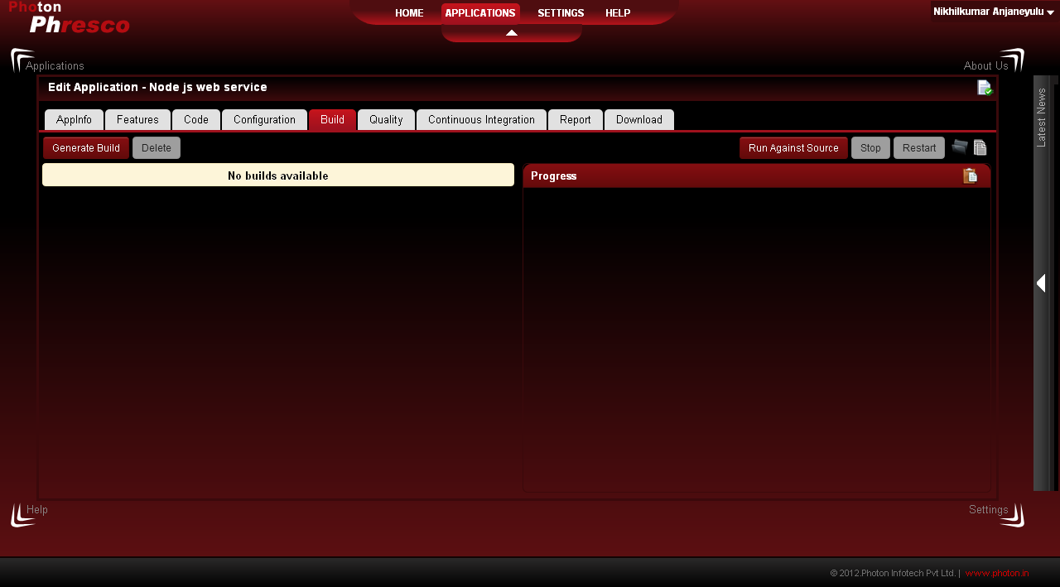 | "Administrator Phresco" Upon clicking Build tab " user can find generate button, delete button, progress.
 | Edit Application - Build [generate build/build] | User Story 32 | TC_MV_32 | Check whether "administrator phresco" able to Edit application " Generate build / Build" | 1. Open a web browser. 2. Type the URL: localhost:2468/phresco/ in the address bar. 3. Click on the Go to Phresco home button. 4. Click on the Application tab. 5. Click on the project that needs to be edited. 6 Click on Build. 7 Click generate build. 8 User needs to select database. 9 User needs to select server. 10 User needs to select email. 11 User needs to select web service. 12 User can select any one among these [ show settings , show error , Import sql] [check box] 13 User needs to click build. | Framework | 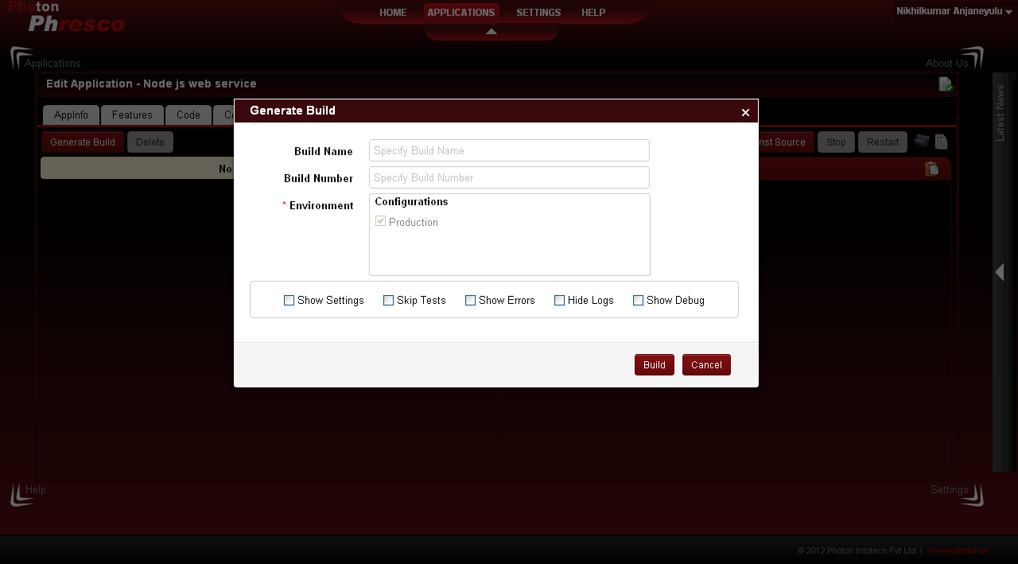 | "Administrator Phresco" Upon clicking generate build " user can find a pop box with [database, server, email, web service ] then user needs to click build in turn system will have progress build success or build failure.
 | Edit Application - Build [generate build/ cancel] | User Story 33 | TC_MV_33 | Check whether "administrator phresco" able to Edit application " Generate build / Cancel" | 1. Open a web browser. 2. Type the URL: localhost:2468/phresco/ in the address bar. 3. Click on the Go to Phresco home button. 4. Click on the Application tab. 5. Click on the project that needs to be edited. 6 Click on Build. 7 Click generate build. 8 User needs to select database. 9 User needs to select server. 10 User needs to select email. 11 User needs to select web service. 12 User can select any one among these [ show settings , show error , Import sql] [check box] 13 User needs to click cancel | Framework |  | "Administrator Phresco" Upon clicking cancel button" build pages gets appeared.
 | Edit Application - Build[Run against Source/run] | User Story 34 | TC_MV_34 | Check whether "administrator phresco" able to Edit application " Generate build / Run against Source/run" | 1. Open a web browser. 2. Type the URL: localhost:2468/phresco/ in the address bar. 3. Click on the Go to Phresco home button. 4. Click on the Application tab. 5. Click on the project that needs to be edited. 6 Click on Build. 7 Click Run against Sourec. 8 User needs to select database. 9 User needs to select server. 10 User needs to select email. 11 User needs to select web service. 12 User can select any one among these [ show settings , show error , Import sql] [check box] 13 User needs to click Run. 14.User can view the Server started Progress In Progress bar | Framework | 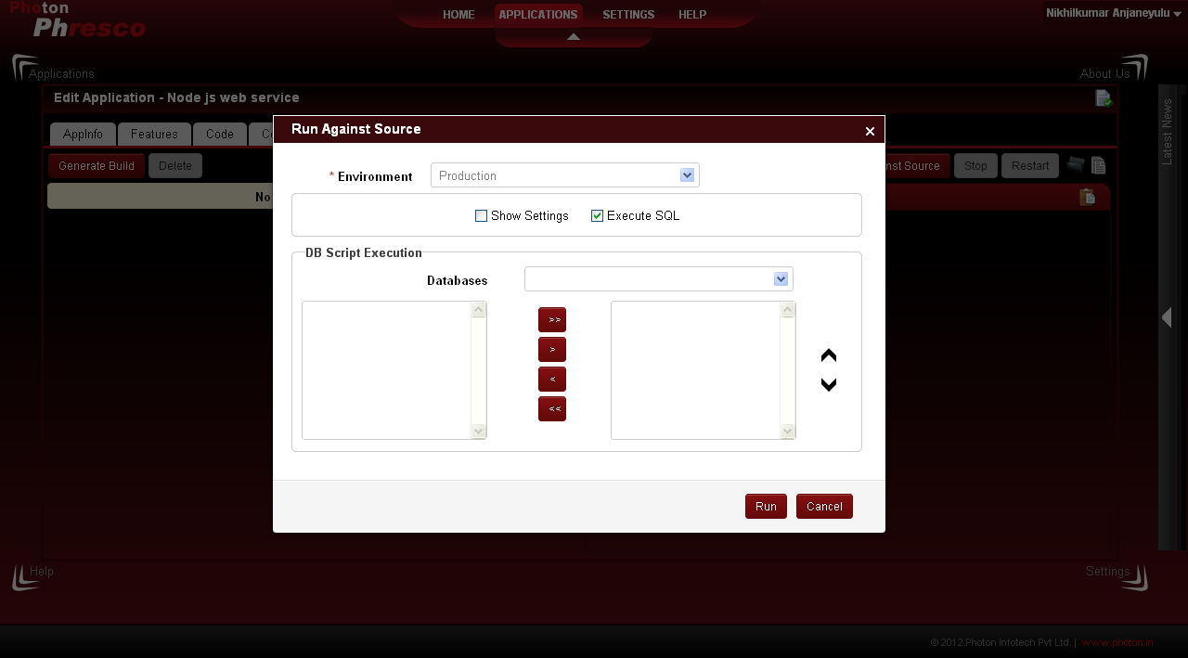 | "Administrator Phresco" Upon clicking Run Against Source button" Run Against Source gets page appeared.
 | Edit Application - Build[Run against Source/stop/restart] | User Story 35 | TC_MV_35 | Check whether "administrator phresco" able to Edit application " Generate build / Run against Source/Stop/restart" | 1. Open a web browser. 2. Type the URL: localhost:2468/phresco/ in the address bar. 3. Click on the Go to Phresco home button. 4. Click on the Application tab. 5. Click on the project that needs to be edited. 6 Click on Build. 7 Click Run against Sourec. 8 User needs to select database. 9 User needs to select server. 10 User needs to select email. 11 User needs to select web service. 12 User can select any one among these [ show settings , show error , Import sql] [check box] 13 User needs to click Run. 14.User can view the Server started Progress In Progress bar 15.Click on stop button 16.The Server will get stop 17.Click on restart button 18.The Server will get restart | Framework | 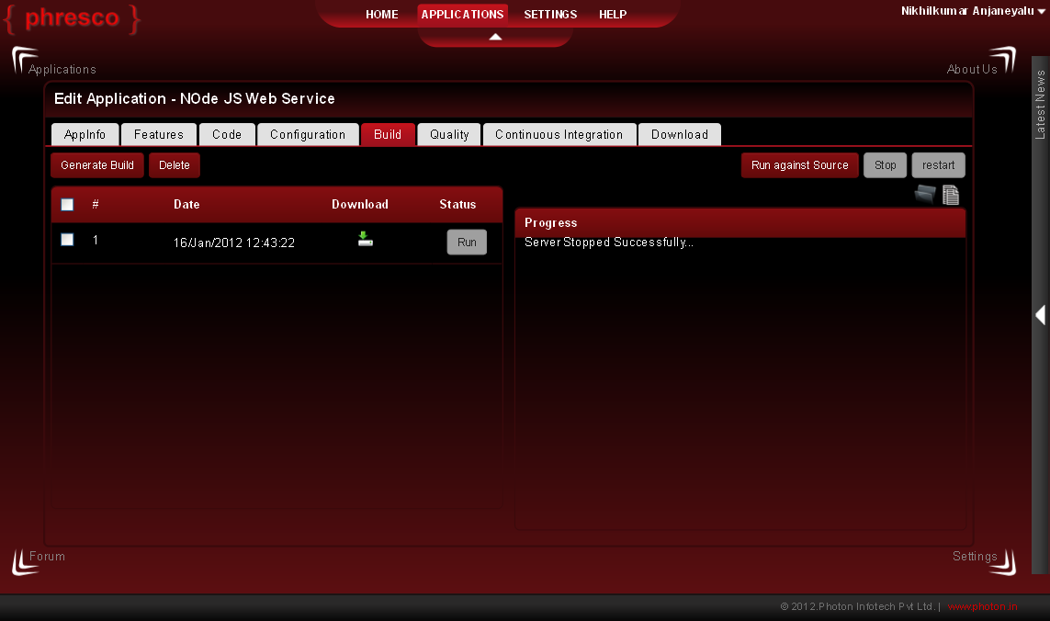 | "Administrator Phresco" Upon clicking Stop button" user can able to view the Server Stopeped message in Progress bar
 | Edit Application - Quality/Unit-Test | User Story 36 | TC_MV_36 | Check whether "administrator phresco" able to Edit application " Quality unit - test - close | 1. Open a web browser. 2. Type the URL: localhost:2468/phresco/ in the address bar. 3. Click on the Go to Phresco home button. 4. Click on the Application tab. 5. Click on the project that needs to be edited. 6 Click on Quality 7 By default Unit will selected. 8 User needs to click test to view the result. 9 user can view the progress in progress bar. 10 User needs to click Close button. | Framework | 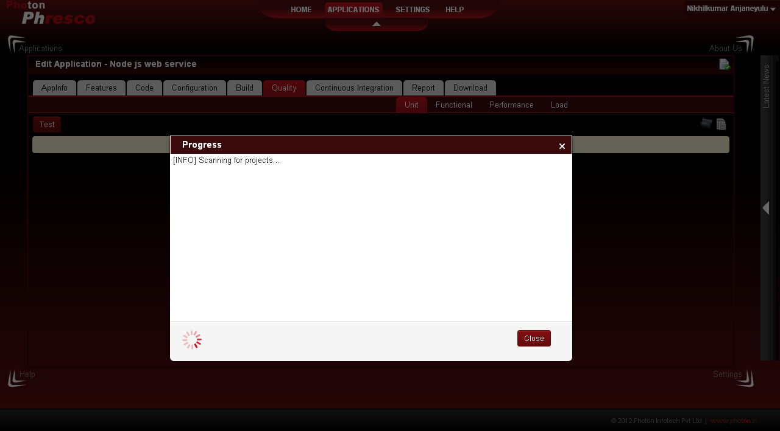 | "Administrator Phresco" Upon clicking close button" user can able to view the report in pie chart format.
 | Edit Application - Quality/Functional -Test | User Story 37 | TC_MV_37 | Check whether "administrator phresco" able to Test application " Quality Functional -Test | 1. Open a web browser. 2. Type the URL: localhost:2468/phresco/ in the address bar. 3. Click on the Go to Phresco home button. 4. Click on the Application tab. 5. Click on the project that needs to be edited. 6 Click on Quality 7 By default Unit will selected. 8 User needs to click Functional. 9 User needs to click Test. | Framework | 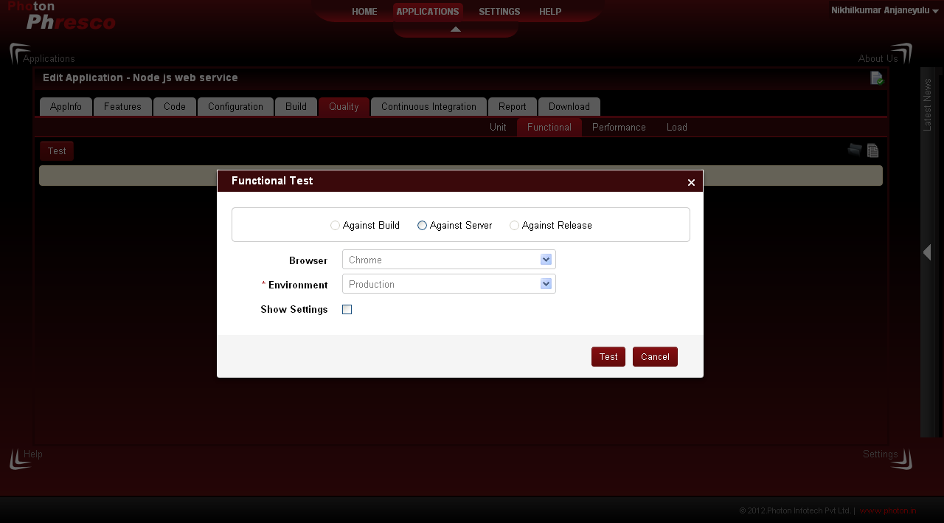 | "Administrator Phresco" Upon clicking Test button" user can able to view pop up box which has Against Build [Radio button], Against Server [Radio button], Against release[ Radio button], Browser[ Drop down], Server[ Drop Down], Show settings[ Check box]. User can able to see test and cancel button.
 | Edit Application - Quality/Functional -Test - Against Build - Test Button | User Story 38 | TC_MV_38 | Check whether "administrator phresco" able to Test application " Quality Functional - Against build [Radio button] - Test Button | 1. Open a web browser. 2. Type the URL: localhost:2468/phresco/ in the address bar. 3. Click on the Go to Phresco home button. 4. Click on the Application tab. 5. Click on the project that needs to be edited. 6 Click on Quality 7 By default Unit will selected. 8 User needs to click Functional. 9 User needs to click Test. 10 User can able to view the Pop up. 11 User needs to select Against build [radio button] 12 User needs to select Browser system should the test. 13 User needs to select Server. 14 If user check show settings, system will incorporate global server settings in the fields. 15 if user un check show settings, system will display only configuration server list. 16 User needs to click test | Framework |  | "Administrator Phresco" Upon clicking Test button" user can able to view the progress box pop up. Upon closing user can able to view the Test report in pie chat format upon clicking close button of progress box.
 | Edit Application - Quality/Functional -Test - Against Server - Test Button | User Story 39 | TC_MV_39 | Check whether "administrator phresco" able to Test application " Quality Functional - Against Server [Radio button] - Test Button | 1. Open a web browser. 2. Type the URL: localhost:2468/phresco/ in the address bar. 3. Click on the Go to Phresco home button. 4. Click on the Application tab. 5. Click on the project that needs to be edited. 6 Click on Quality 7 By default Unit will selected. 8 User needs to click Functional. 9 User needs to click Test. 10 User can able to view the Pop up. 11 User needs to select Against Server [radio button] 12 User needs to select Browser system should the test. 13 User needs to select Server. 14 If user check show settings, system will incorporate global server settings in the fields. 15 if user un check show settings, system will display only configuration server list. 16 User needs to click test | Framework |  | "Administrator Phresco" Upon clicking Test button" user can able to view the progress box pop up. Upon closing user can able to view the Test report in pie chat format upon clicking close button of progress box.
 | Edit Application - Quality/Functional -Test - Against Release - Test Button | User Story 40 | TC_MV_40 | Check whether "administrator phresco" able to Test application " Quality Functional - Against Release[Radio button] - Test Button | 1. Open a web browser. 2. Type the URL: localhost:2468/phresco/ in the address bar. 3. Click on the Go to Phresco home button. 4. Click on the Application tab. 5. Click on the project that needs to be edited. 6 Click on Quality 7 By default Unit will selected. 8 User needs to click Functional. 9 User needs to click Test. 10 User can able to view the Pop up. 11 User needs to select Against Release [radio button] 12 User needs to select Browser system should the test. 13 User needs to select Server. 14 If user check show settings, system will incorporate global server settings in the fields. 15 if user un check show settings, system will display only configuration server list. 16 User needs to click test | Framework |  | "Administrator Phresco" Upon clicking Test button" user can able to view the progress box pop up. Upon closing user can able to view the Test report in pie chat format upon clicking close button of progress box.
 | Edit Application - Quality/Functional -Test - Against Build - Cancel Button | User Story 41 | TC_MV_41 | Check whether "administrator phresco" able to Test application " Quality Functional - Against build [Radio button] - Cancel Button | 1. Open a web browser. 2. Type the URL: localhost:2468/phresco/ in the address bar. 3. Click on the Go to Phresco home button. 4. Click on the Application tab. 5. Click on the project that needs to be edited. 6 Click on Quality 7 By default Unit will selected. 8 User needs to click Functional. 9 User needs to click Test. 10 User can able to view the Pop up. 11 User needs to select Against build [radio button] 12 User needs to select Browser system should the test. 13 User needs to select Server. 14 If user check show settings, system will incorporate global server settings in the fields. 15 if user un check show settings, system will display only configuration server list. 16 User needs to click cancel | Framework |  | "Administrator Phresco" Upon clicking Cancel button" system gets back to Quality - Functional page
 | Edit Application - Quality/Functional -Test - Against server - Cancel Button | User Story 42 | TC_MV_42 | Check whether "administrator phresco" able to Test application " Quality Functional - Against server [Radio button] - Cancel Button | 1. Open a web browser. 2. Type the URL: localhost:2468/phresco/ in the address bar. 3. Click on the Go to Phresco home button. 4. Click on the Application tab. 5. Click on the project that needs to be edited. 6 Click on Quality 7 By default Unit will selected. 8 User needs to click Functional. 9 User needs to click Test. 10 User can able to view the Pop up. 11 User needs to select Against build [radio button] 12 User needs to select Browser system should the test. 13 User needs to select Server. 14 If user check show settings, system will incorporate global server settings in the fields. 15 if user un check show settings, system will display only configuration server list. 16 User needs to click cancel | Framework |  | "Administrator Phresco" Upon clicking Cancel button" system gets back to Quality - Functional page
 | Edit Application - Quality/Functional -Test - Against Release- Cancel Button | User Story 43 | TC_MV_43 | Check whether "administrator phresco" able to Test application " Quality Functional - Against release [Radio button] - Cancel Button | 1. Open a web browser. 2. Type the URL: localhost:2468/phresco/ in the address bar. 3. Click on the Go to Phresco home button. 4. Click on the Application tab. 5. Click on the project that needs to be edited. 6 Click on Quality 7 By default Unit will selected. 8 User needs to click Functional. 9 User needs to click Test. 10 User can able to view the Pop up. 11 User needs to select Against release [radio button] 12 User needs to select Browser system should the test. 13 User needs to select Server. 14 If user check show settings, system will incorporate global server settings in the fields. 15 if user un check show settings, system will display only configuration server list. 16 User needs to click cancel | Framework |  | "Administrator Phresco" Upon clicking Cancel button" system gets back to Quality - Functional page
 | Edit Application - Quality/Performance -Test - Close Button | User Story 44 | TC_MV_44 | Check whether "administrator phresco" able to Test application " Quality Performance -Close Button | 1. Open a web browser. 2. Type the URL: localhost:2468/phresco/ in the address bar. 3. Click on the Go to Phresco home button. 4. Click on the Application tab. 5. Click on the project that needs to be edited. 6 Click on Quality 7 By default Unit will selected. 8 User needs to click Performance. 9 User needs to click Test. 10 User can able to view progress pop up box. 11 User needs to click close button upon result gets progressed. | Framework | 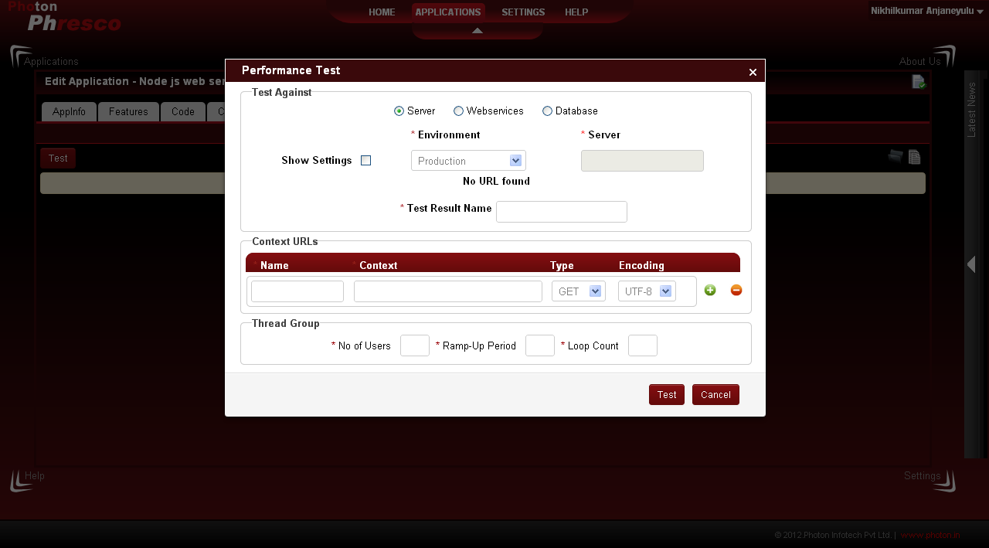 | "Administrator Phresco" Upon clicking close button" user can able to view the report in pie chart format.
 | Edit Application - Quality/Load -Test - Close Button | User Story 45 | TC_MV_45 | Check whether "administrator phresco" able to Test application " Quality Load -Close Button | 1. Open a web browser. 2. Type the URL: localhost:2468/phresco/ in the address bar. 3. Click on the Go to Phresco home button. 4. Click on the Application tab. 5. Click on the project that needs to be edited. 6 Click on Quality 7 By default Unit will selected. 8 User needs to click Load. 9 User needs to click Test. 10 User can able to view progress pop up box. 11 User needs to click close button upon result gets progressed. | Framework | 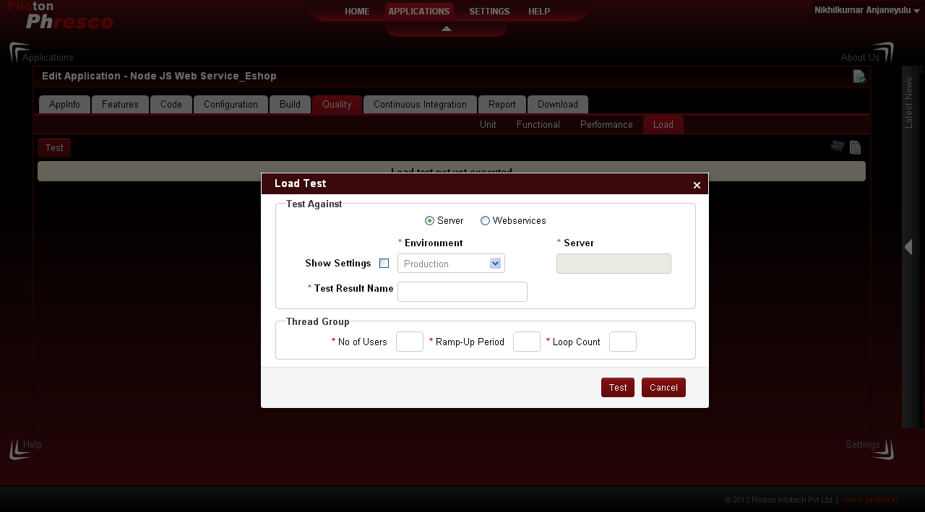 | "Administrator Phresco" Upon clicking close button" user can able to view the report in pie chart format.
 | Settings | User Story 46 | TC_MV_46 | Check whether "administrator phresco" able to view Settings page | 1. Open a web browser. 2. Type the URL: localhost:2468/phresco/ in the address bar. 3. Click on the Go to Phresco home button. 4. Click on the Settings tab. | Framework | 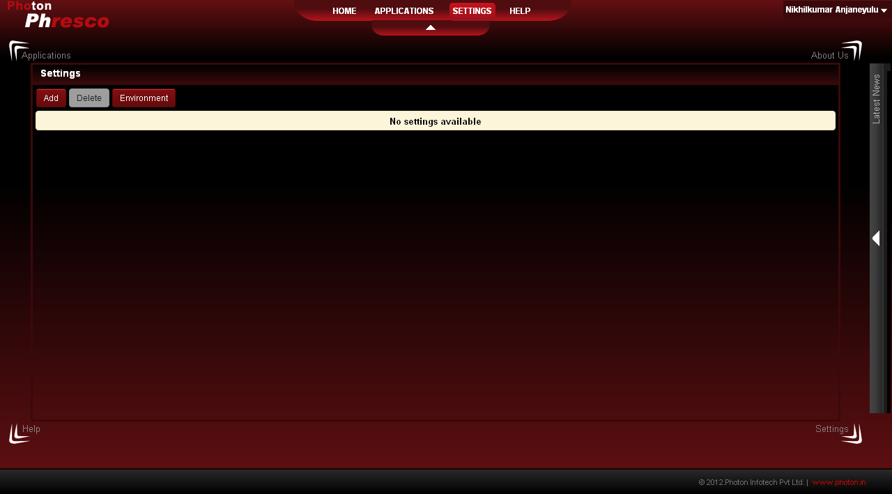 | "Administrator Phresco" Upon clicking settings tab" user can able to view " Add button" and delete button [ un select mode]
 | Settings - Add [server] / save | User Story 47 | TC_MV_47 | Check whether "administrator phresco" able to Add settings [server] | 1. Open a web browser. 2. Type the URL: localhost:2468/phresco/ in the address bar. 3. Click on the Go to Phresco home button. 4. Click on the Settings tab. 5. Click on Add button. Upon clicking system lands into Add settings page 6. User needs to enter Name. 7. User needs to enter Description. 8. User needs to select server [ drop down] 9. User needs to select Protocol [ Drop down] 10.User needs to enter host. 11.User needs to enter port. 12.User needs to enter Adminusername. 13.User needs to enter Admin password. 14.User needs to enter deploy directory. 15.User needs to select type. 16.User needs to enter context. 17.User needs to select applies to from scroll bar. 18.User needs to click save. | Framework |  | "Administrator Phresco" Upon clicking save button" user can able to view the server result in tabulation format in settings page.
 | Settings - Add [server] / Cancel | User Story 48 | TC_MV_48 | Check whether "administrator phresco" able to Add settings [server] / Cancel | 1. Open a web browser. 2. Type the URL: localhost:2468/phresco/ in the address bar. 3. Click on the Go to Phresco home button. 4. Click on the Settings tab. 5. Click on Add button. Upon clicking system lands into Add settings page. 6. User needs to enter Name. 7. User needs to enter Description. 8. User needs to select server [ drop down] 9. User needs to select Protocol [ Drop down] 10.User needs to enter host. 11.User needs to enter port. 12.User needs to enter Adminusername. 13.User needs to enter Admin password. 14.User needs to enter deploy directory. 15.User needs to select type. 16.User needs to enter context. 17.User needs to select applies to from scroll bar. 18.User can click save or cancel. Lets assume user click cancel. | Framework | 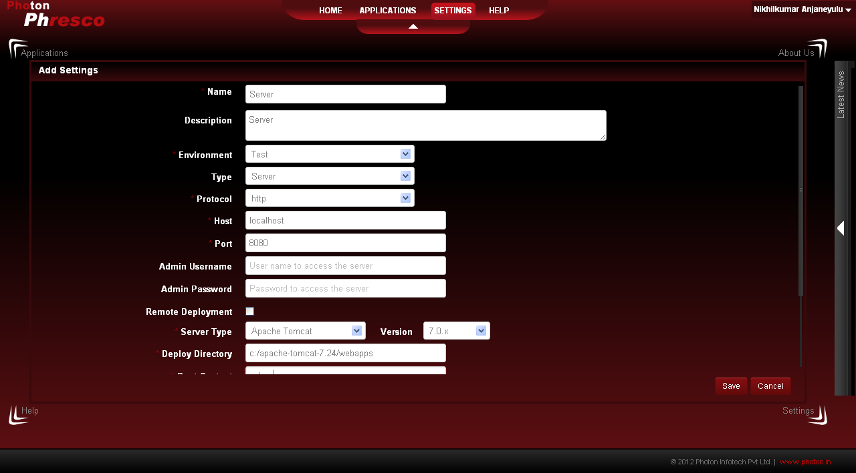 | "Administrator Phresco" Upon clicking cancel button" user can able to view the settings page.
 | Settings - Add [Database] / save | User Story 49 | TC_MV_49 | Check whether "administrator phresco" able to Add settings [Database] | 1. Open a web browser. 2. Type the URL: localhost:2468/phresco/ in the address bar. 3. Click on the Go to Phresco home button. 4. Click on the Settings tab. 5. Click on Add button. Upon clicking system lands into Add settings page. 6. User needs to enter Name. 7. User needs to enter Description. 8. User needs to select Database [ drop down] 9.User needs to enter host. 10.User needs to enter port. 11.User needs to enter username. 12.User needs to enter password. 13.User needs to enter database name. 14.User needs to select type. 15.User needs to select applies to from scroll bar. 16.User needs to click save. | Framework | 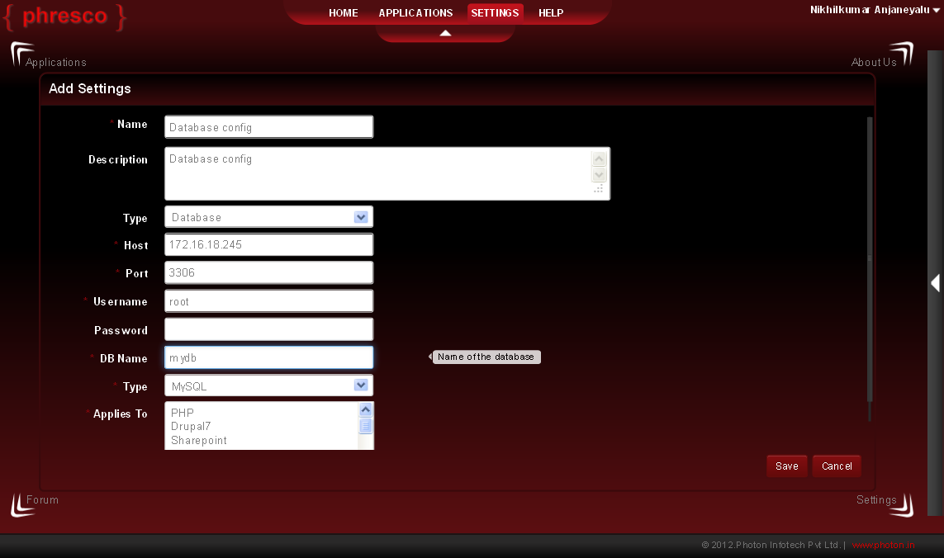 | "Administrator Phresco" Upon clicking save button" user can able to view the database result in tabulation format in settings page.
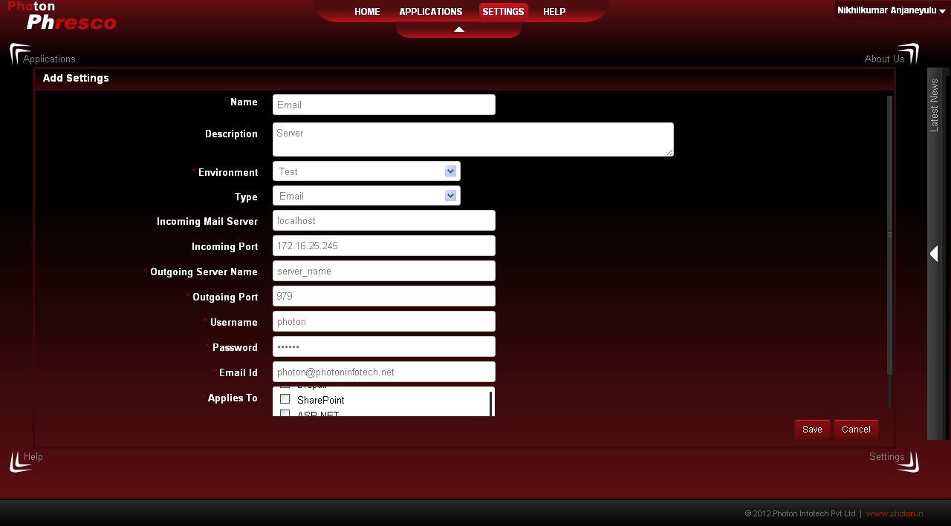
 | Settings - Add [Database] / Cancel | User Story 50 | TC_MV_50 | Check whether "administrator phresco" able to Add settings [database] / Cancel | 1. Open a web browser. 2. Type the URL: localhost:2468/phresco/ in the address bar. 3. Click on the Go to Phresco home button. 4. Click on the Settings tab. 5. Click on Add button. Upon clicking system lands into Add settings page. 6. User needs to enter Name. 7. User needs to enter Description. 8. User needs to select Database [ drop down] 9.User needs to enter host. 10.User needs to enter port. 11.User needs to enter username. 12.User needs to enter password. 13.User needs to enter database name. 14.User needs to select type. 15.User needs to select applies to from scroll bar. 16.User can click save or cancel. Lets assume user click cancel. | Framework |  | "Administrator Phresco" Upon clicking cancel button" user can able to view the settings page.
 | Settings - Add [Email] /Save | User Story 51 | TC_MV_51 | Check whether "administrator phresco" able to Add settings [Email] | 1. Open a web browser. 2. Type the URL: localhost:2468/phresco/ in the address bar. 3. Click on the Go to Phresco home button. 4. Click on the Settings tab. 5. Click on Add button. Upon clicking system lands into Add settings page. 6. User needs to enter Name. 7. User needs to enter Description. 8. User needs to select Email [drop down] 9.User needs to enter host. 10.User needs to enter port. 11.User needs to enter username. 12.User needs to enter password. 13.User needs to select applies to from scroll bar. 14.User can click save. | Framework |  | "Administrator Phresco" Upon clicking save button" user can able to view the Email result in tabulation format in settings page.
 | Settings - Add [Email] / Cancel | User Story 52 | TC_MV_52 | Check whether "administrator phresco" able to Add settings [Email] / Cancel | 1. Open a web browser. 2. Type the URL: localhost:2468/phresco/ in the address bar. 3. Click on the Go to Phresco home button. 4. Click on the Settings tab. 5. Click on Add button. Upon clicking system lands into Add settings page. 6. User needs to enter Name. 7. User needs to enter Description. 8. User needs to select Email [drop down] 9.User needs to enter host. 10.User needs to enter port. 11.User needs to enter username. 12.User needs to enter password. 13.User needs to select applies to from scroll bar. 14.User can click save or cancel. Lets assume user click cancel. | Framework |  | "Administrator Phresco" Upon clicking cancel button" user can able to view the settings page.
 | Settings - Add [Web service] / Save | User Story 53 | TC_MV_53 | Check whether "administrator phresco" able to Add settings [Web Service] | 1. Open a web browser. 2. Type the URL: localhost:2468/phresco/ in the address bar. 3. Click on the Go to Phresco home button. 4. Click on the Settings tab. 5. Click on Add button. Upon clicking system lands into Add settings page. 6. User needs to enter Name. 7. User needs to enter Description. 8. User needs to select Web Service [drop down] 9. User needs to select protocol [drop down] 9.User needs to enter host. 10.User needs to enter port. 11.User needs to enter username. 12.User needs to enter password. 13.User needs to enter the context. 14.User needs to select applies to from scroll bar. 15.User needs to click save. | Framework |  | "Administrator Phresco" Upon clicking save button" user can able to view the Web service result in tabulation format in settings page.
 | Settings - Add [Web service] / Cancel | User Story 54 | TC_MV_54 | Check whether "administrator phresco" able to Add settings [Web service] / Cancel | 1. Open a web browser. 2. Type the URL: localhost:2468/phresco/ in the address bar. 3. Click on the Go to Phresco home button. 4. Click on the Settings tab. 5. Click on Add button. Upon clicking system lands into Add settings page. 6. User needs to enter Name. 7. User needs to enter Description. 8. User needs to select Web Service [drop down] 9. User needs to select protocol [drop down] 9.User needs to enter host. 10.User needs to enter port. 11.User needs to enter username. 12.User needs to enter password. 13.User needs to enter the context. 14.User needs to select applies to from scroll bar. 15..User can click save or cancel. Lets assume user clicks cancel. | Framework |  | "Administrator Phresco" Upon clicking cancel button" user can able to view the settings page.
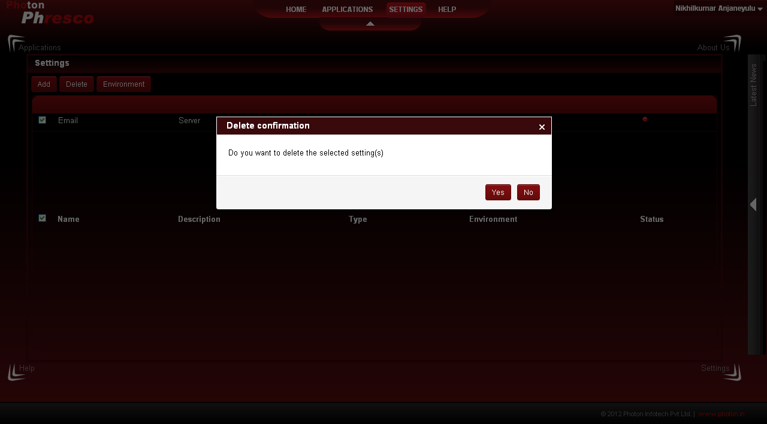
 | Settings - Delete | User Story 55 | TC_MV_55 | Check whether "administrator phresco" able to Delete settings | 1. Open a web browser. 2. Type the URL: localhost:2468/phresco/ in the address bar. 3. Click on the Go to Phresco home button. 4. Click on the Settings tab. 5. User can find Add and delete. 6. In order to delete any settings user needs to check the check box. 7. In turn delete button gets enabled. 8. User can delete the settings upon clicking delete. | Framework |  | "Administrator Phresco" Upon clicking Delete button" user can able to view pop up box stating " Do you want to delete the selected objects" with Ok and cancel button.
 | Settings - Delete [yes] | User Story 56 | TC_MV_56 | Check whether "administrator phresco" able to Delete settings [yes] | 1. Open a web browser. 2. Type the URL: localhost:2468/phresco/ in the address bar. 3. Click on the Go to Phresco home button. 4. Click on the Settings tab. 5. User can find Add and delete. 6. In order to delete any settings user needs to check the check box. 7. In turn delete button gets enabled. 8. User can delete the settings upon clicking delete. 9. User needs to click ok button in confirmation pop up | Framework |  | "Administrator Phresco" Upon clicking Delete button" user can able to view pop up box stating " Do you want to delete the selected objects" with Ok and cancel button. User needs to click ok button upon clicking settings gets deleted from settings page.
 | Settings - Delete [Cancel] | User Story 57 | TC_MV_57 | Check whether "administrator phresco" able to Delete settings [Cancel] | 1. Open a web browser. 2. Type the URL: localhost:2468/phresco/ in the address bar. 3. Click on the Go to Phresco home button. 4. Click on the Settings tab. 5. User can find Add and delete. 6. In order to delete any settings user needs to check the check box. 7. In turn delete button gets enabled. 8. User can delete the settings upon clicking delete. 9. User needs to click cancel button in confirmation pop up | Framework |  | "Administrator Phresco" Upon clicking Delete button" user can able to view pop up box stating " Do you want to delete the selected objects" with Ok and cancel button. User needs to click cancel button upon clicking selected settings wont get vanished from settings.
 | My Account [ Account holder name gets displayed] | User Story 58 | TC_MV_58 | Check whether "administrator phresco" able to click "My account section " | 1. Open a web browser. 2. Type the URL: localhost:2468/phresco/ in the address bar. 3. Click on the Go to Phresco home button. 4. Click on My account section. 5. User can find skins with two color [ Red and blue]. 6. User can find About us. 7. User can find sign out. | Framework | 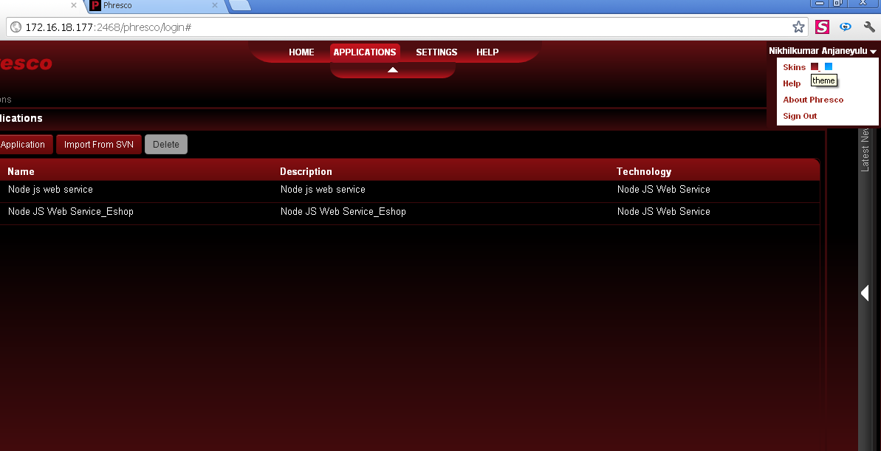 | "Administrator Phresco" Upon clicking My account[account holder name gets displayed]" user can able to view drop down box stating " skins with two color"," About us", "Sign out" based on user clicks corresponding action triggers out.
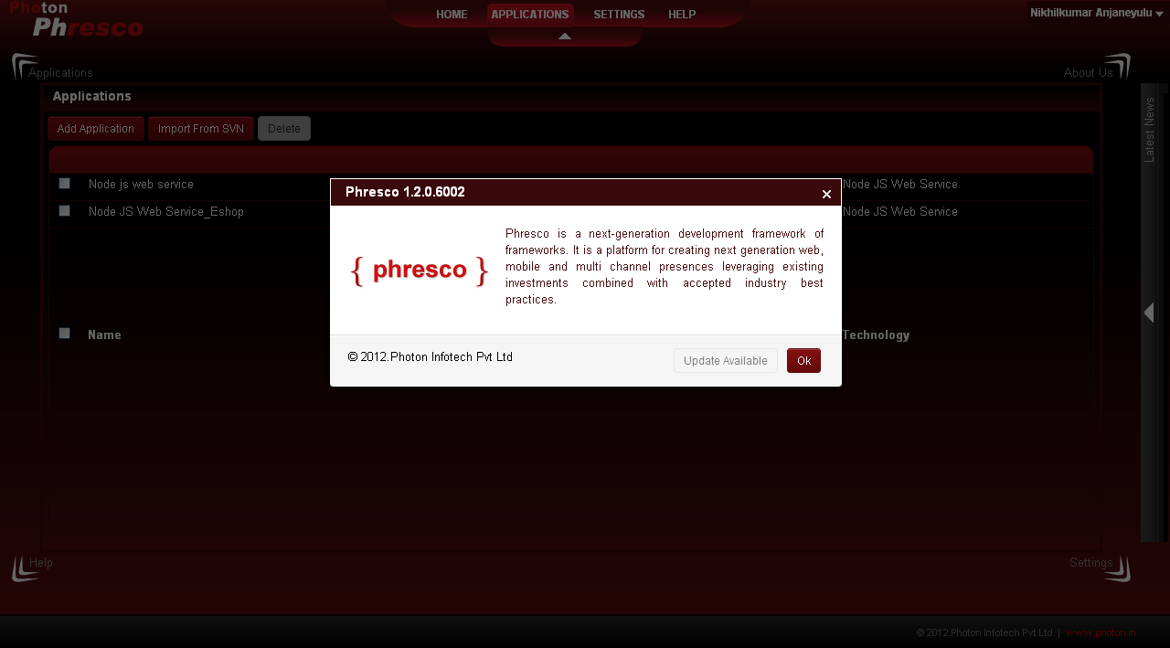
 | My Account [Skins] | User Story 59 | TC_MV_59 | Check whether "administrator phresco" click "Skins" | 1. Open a web browser. 2. Type the URL: localhost:2468/phresco/ in the address bar. 3. Click on the Go to Phresco home button. 4. Click on My account section. 5. User can find skins with two colors [ Red and blue]. 6. By default framework will be red color. 7. In order to change from red to blue user needs to click blue skin. | Framework |  | "Administrator Phresco" Upon clicking My account[account holder name gets displayed]" user can able to view drop down box stating " skins with two color", By default framework will be in red color upon clicking blue skin framework gets adapt to blue color vise versa take place.
 | My Account [About - Ok] | User Story 60 | TC_MV_60 | Check whether "administrator phresco" click "About - ok" | 1. Open a web browser. 2. Type the URL: localhost:2468/phresco/ in the address bar. 3. Click on the Go to Phresco home button. 4. Click on My account section. 5. User can find About. 6. User needs to click About. | Framework |  | "Administrator Phresco" Upon clicking About framework will trigger pop up with about content with close symbol and ok button. Both close and ok perform same close action upon clicking.
 | My Account [Sign out] | User Story 61 | TC_MV_61 | Check whether "administrator phresco" able to click "Sign out " | 1. Open a web browser. 2. Type the URL: localhost:2468/phresco/ in the address bar. 3. Click on the Go to Phresco home button. 4. Click on My account section. 5. User can find sign out 6. User needs to click sign out. | Framework |  | "Administrator Phresco" Upon clicking sign out " framework will redirect to login page with username and password.
 |  |  |  | Node JS Web Service

